Sheet1
SMILES | n_tokens | ROMol
COc1ccccc1CC(=O)CC(C)CC | 23 | 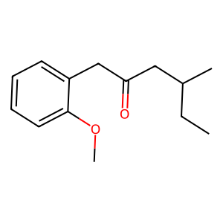
CC(=O)c1ccc(Br)cc1 | 18 | 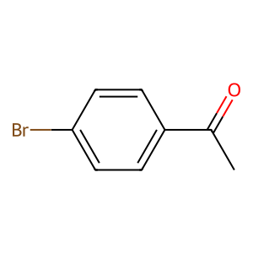
COc1cc(C)cc(C)c1 | 16 | 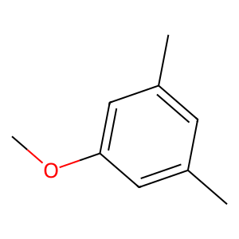
CCC(=O)Nc1ccc(N)cc1C | 20 | 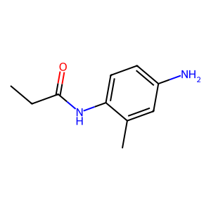
CC(=O)NC(=O)CSc1ccccc1 | 22 | 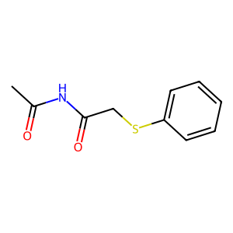
Cc1ccc(NC(=O)O)cc1C(C)CCC | 25 | 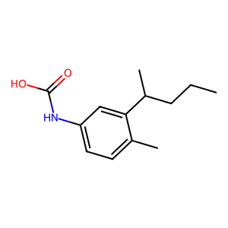
CC(=O)NC(=O)Nc1ccccc1 | 21 | 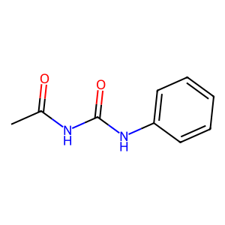
CCC[C@@H](C)Cc1cc(Cl)ccc1Cl | 27 | 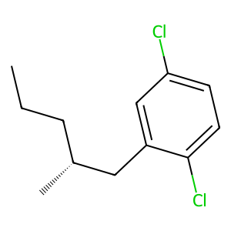
CCOc1ccccc1NC(=O)C(N)C | 22 | 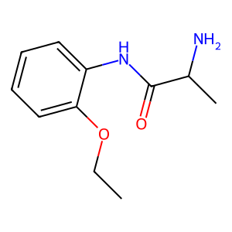
Cc1ccccc1C(=O)CC1CCCCC1 | 23 | 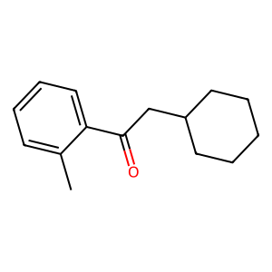
CCOC(=O)c1ccccc1C1CCO1 | 22 | 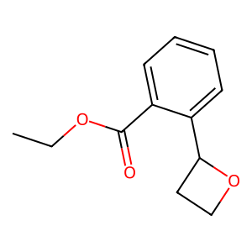
CC(=O)Nc1ccccc1 | 15 | 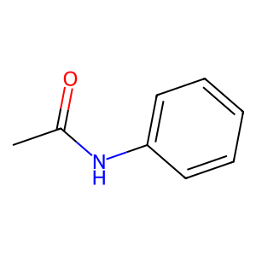
Cc1ccccc1CC(=O)NC(=O)[O-] | 25 | 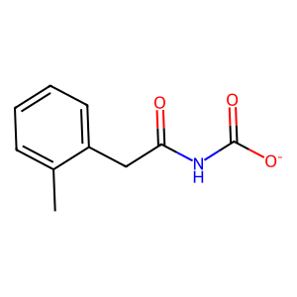
CC(=O)Oc1ccccc1 | 15 | 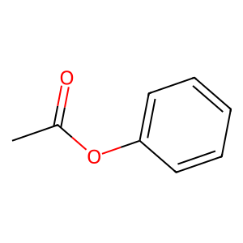
Cc1ccccc1C(=O)Nc1cccc(F)c1 | 26 | 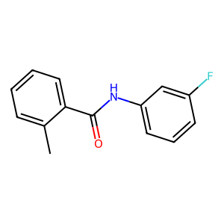
CCC(=O)C(=O)NCc1ccccc1 | 22 | 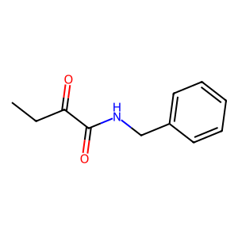
COc1cc(F)c(F)c(=O)cc1Cl | 23 | 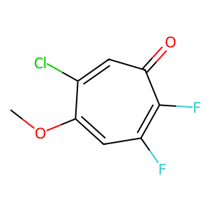
O=C(Nc1ccccc1)N[C@@H]1CCC1 | 21 | 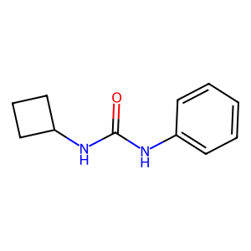
CC[C@@H](CC)Oc1ccccc1OC(=O)[O-] | 26 | 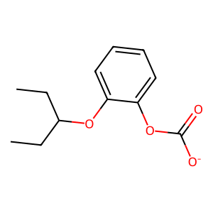
Cc1ccccc1C(=O)[C@@H]1CCCCCC1 | 23 | 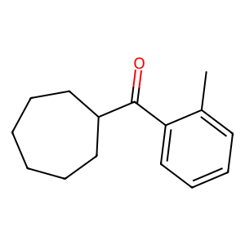
CCN(CC)COc1ccc(O)cc1C | 21 | 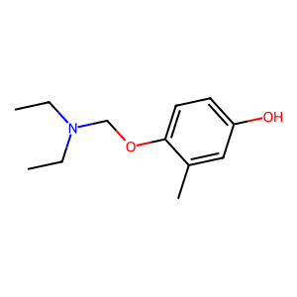
COc1ccccc1C(=O)[O-] | 19 | 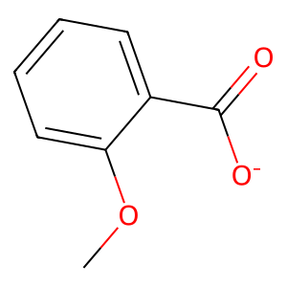
O=C([O-])c1ccccc1C(C)CC1CCCC1 | 29 | 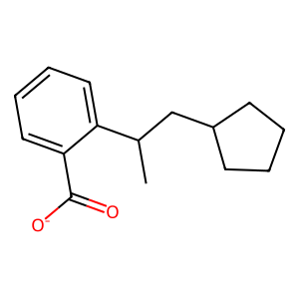
CC(C)(C)C(=O)[C@@H]1CCCCC1 | 21 | 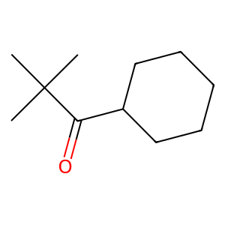
CC(C)C(=O)NC(=O)Nc1ccccc1 | 25 | 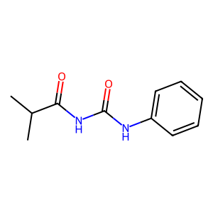
CC(=O)[C@@H]1CCCC1=NCCC1=CCC1 | 29 | 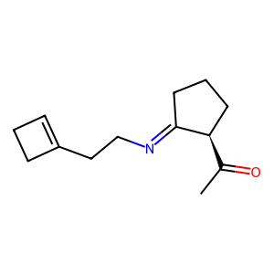
CCc1ccc(SC(=O)[O-])nc1N | 23 | 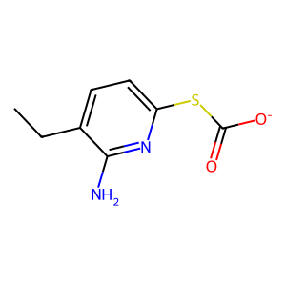
CC(=O)CC(CO)(C)OCc1ccccc1N | 26 | 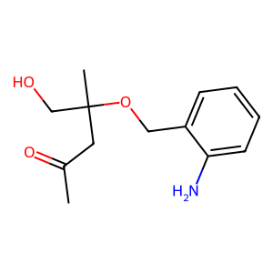
COc1ccc(N)cc1 | 13 | 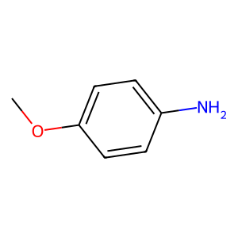
CC(C)(C)C(C)C(C)OCc1ccccc1 | 26 | 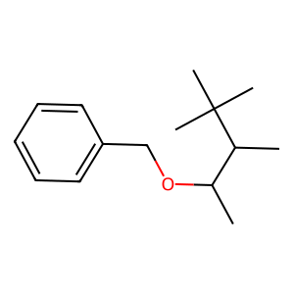
CC(C)(C)NC(=O)Nc1ccccc1 | 23 | 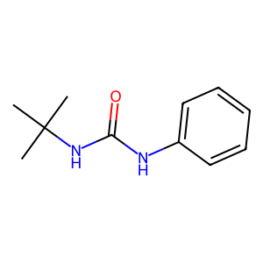
C[NH+](C)C(=O)NC(=O)c1ccco1 | 27 | 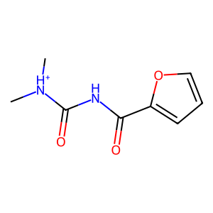
CCN(C)(=O)Nc1ccc(O)cc1OC | 29 | 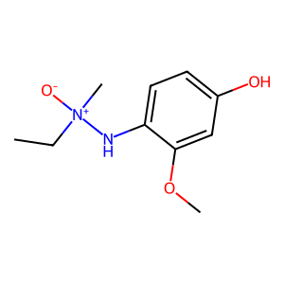
COC(=O)NNc1ccc(N)cc1 | 20 | 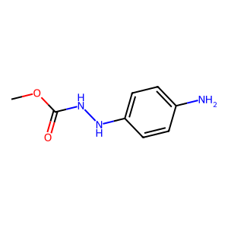
CC(=O)NC(=S)c1ccc(Cl)cc1 | 24 | 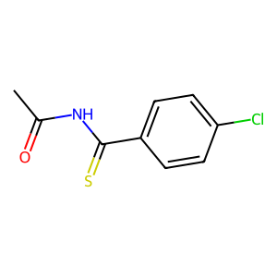
Cc1ccccc1NC(=O)N[C@@H]1CCCC1 | 23 | 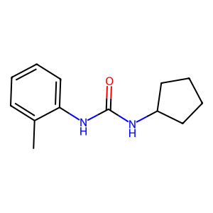
COc1ccccc1C(=O)NC(=O)[O-] | 25 | 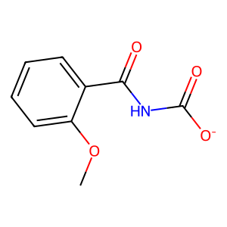
CC(=O)Oc1ccccc1C(=O)[O-] | 24 | 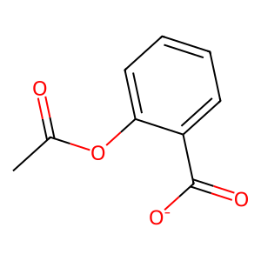
COc1ccc(C)cc1C(=O)[O-] | 22 | 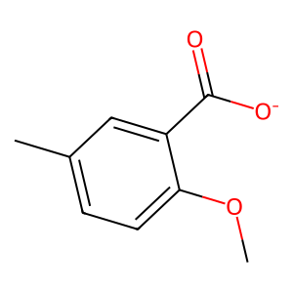
CCC(=O)Cc1ccccc1OCC(C)(C)C | 26 | 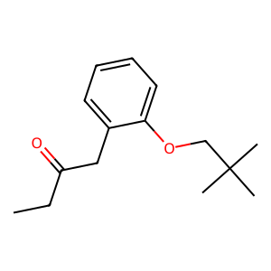
CC(=O)CC(=O)N1C(=O)NCC1 | 21 | 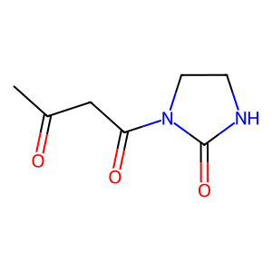
CCC(=O)c1ccccc1OC(=O)[O-] | 25 | 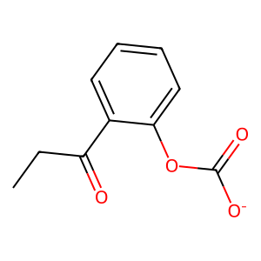
c1ccccc1NC(=O)C1CCCC1 | 21 | 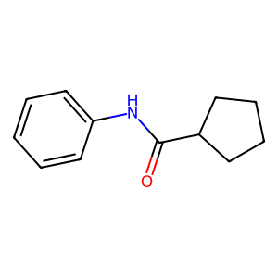
COc1cc(C)ccc1OCC(=O)[O-] | 24 | 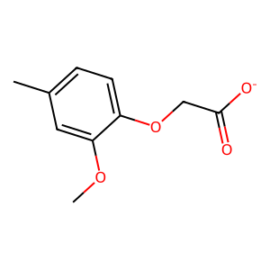
CC(=O)Nc1ccccc1Cl | 17 | 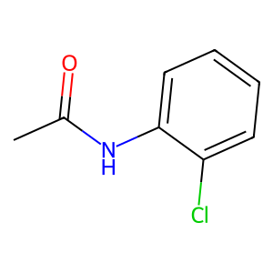
CC(=O)NC(=O)c1ccccc1OC | 22 | 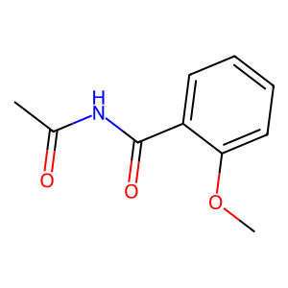
Cc1c2ccc(C#N)ccc12 | 22 | 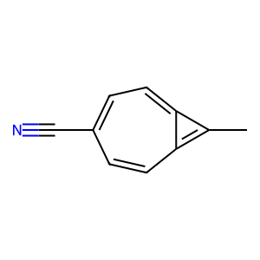
CCN(C)(=O)Nc1ccccc1C | 25 | 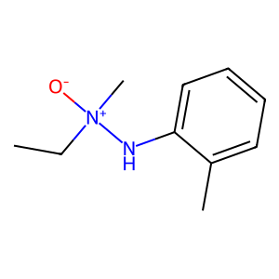
O=C(Nc1ccccc1)c1ccc(Cl)cc1F | 27 | 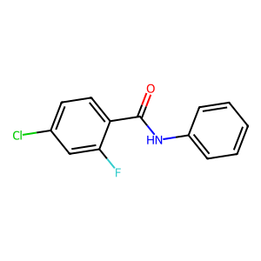
CC[C@H](O)c1ccccc1COC(=O)[O-] | 29 | 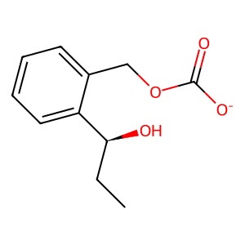
C[NH+](C)c1ccc(C)cc1C | 23 | 
COc1cccc(C(=O)[O-])n1 | 21 | 
CC(=O)C(=O)N[C@H]1CCCCCO1 | 25 | 
C[C@H]1CCCC[C@H](C(=O)NC(=O)[O-])C1=O | 37 | 
CCC(=O)NC(=C)NCc1ccccc1 | 23 | 
CCC(=O)Nc1ccc(C)cc1 | 19 | 
CSc1ccccc1CC(=O)Nc1ccccc1 | 25 | 
COc1ccc(Br)cc1C1CCCCCC1 | 23 | 
NC(=O)Nc1ccccc1OC(=O)[O-] | 25 | 
CC[NH+](CC)C(O)C(=O)c1cncnc1 | 28 | 
CC[C@@H](C)NC(=O)COc1ccccc1 | 27 | 
COc1ccccc1C(=O)[O-] | 19
CC(=O)Nc1cccc(Cl)c1C(=O)[O-] | 28 | 
Cc1ccccc1CC(=O)CCC1COCCC1 | 25 | 
Cc1ccccc1CC(=O)NCC1CCCC1 | 24 | 
CC(=O)Nc1ccccc1C(=O)[O-] | 24 | 
Cc1ccc(C#N)cc1C(=O)[O-] | 23 | 
COc1ccc(C(=O)Cc2ccccc2)s1 | 25 | 
Cc1ccccc1/C=N\c1ccccc1O | 23 | 
O=C([O-])c1cc(Cl)ccc1Cl | 23 | 
CCOC(=O)Nc1ccccc1 | 17 | 
C[C@H]1CCCS(=O)N1CCc1ccccc1 | 27 | 
CC(C)c1ccc(C(=O)[O-])cc1C | 25 | 
CCC(=O)Nc1ccccc1C#N | 19 | 
CCc1ccccc1NC(=O)c1ccco1 | 23 | 
CC(=O)Nc1ccc(OC)cc1C | 22 | 
CC(=O)c1cccn1C(=O)[O-] | 22 | 
Cc1ccccc1NC(=O)[O-] | 19 | 
CC(C)Sc1ncnc(NC(=O)C)c1C | 24 | 
CC(C)(C)C(=O)Nc1ccccc1OC | 24 | 
CCN(C)(=O)Nc1ccc(O)cc1 | 27 | 
CC(=O)NC(=O)c1ccccc1 | 20 | 
Oc1ccccc1C(=O)C(=O)[O-] | 23 | 
CCOC(=O)c1c(O)cccc1 | 17 | 
CC(=O)Nc1ccccc1NC(=O)[O-] | 25 | 
CCC(=O)Nc1cc(O)ccc1 | 19 | 
COc1ccccc1NC1cccc(Br)cc1 | 27 | 
O=C(Nc1ccccc1)C(N)=S | 20 | 
CC(C)(O)c1ccnc(N)c1Cl | 21 | 
COc1ccc(C)cc1N | 14 | 
CC(C)(C)C(=O)Oc1ccccc1F | 23 | 
CCc1ccccc1CCc1ccccc1O | 21 | 
COc1ccc(NC(=O)[O-])nc1C(=O)[O-] | 31 | 
CC(C)(C)c1ccccc1C#N | 19 | 
O=C([O-])c1ccc2ccccc21CC | 28 | 
O=Cc1ccc2ccccc2nc(=O)o1 | 26 | 
Cc1ccc(C)nc1C(=S)[O-] | 23 | 
CC(=O)c1ccc(C#N)cc1C#N | 22 | 
Nc1ccccc1-c1ccc(=O)c1C | 23 | 
CC(=O)Nc1ccc(Cl)cc1 | 19 | 
O=C([O-])c1ccc(Cl)cc1 | 21 | 
CC(C)NC(=O)Nc1ccco1 | 19 | 
Cc1ccccc1/N/N=C/c1cccs1 | 22 | 
CCC(=O)Nc1ccc(CC)cn1 | 20 | 
Cc1ccc(C(=O)NC2CCCCC2)cc1 | 25 | 
Cc1ccccc1/C=C/N=C/C1CCC1 | 24 | 
CCC(=O)C[C@@H]1CCC1 | 14 | 
CCSc1ccc(-c2ccccc2)CS1 | 23 | 
Nc1ccc(C(=O)[O-])cc1Cl | 22 | 
CC(=O)c1ccc(C)c(C)c1 | 20 | 
COc1ccc(NC(=O)O)cc1C | 20 | 
CC(C)Nc1ccc(C(=O)[O-])cc1 | 25 | 
O=C(Nc1ccccc1)C1C(C)CCC1 | 22 | 
CC(=O)c1ccc(Br)c(C(=O)[O-])c1Cl | 31 | 
CC[NH+]1CCCC[C@@H]1CCC1CCCCC1 | 29 | 
CC(=O)C[C@H](C#N)COCc1ccccc1 | 28 | 
CC(=O)Oc1cccc(Cl)c1 | 19 | 
CCOc1ccccc1CC(=O)[O-] | 21 | 
COc1ccc(C(C)Cc2ccccc2)cc1 | 25 | 
CC(=O)Nc1ccc(Br)c(Cl)c1 | 23 | 
C[C@@H]1CCN1C(=O)NCOCCC(C)(C)C | 30 | 
COc1ccc(C(=O)N)c2ccccc2[nH]1 | 27 | 
Cc1ccc(NC(=O)Nc2ccccc2)cc1 | 26 | 
Cc1ccccc1NC(=O)C[NH+]1CCCC1 | 27 | 
Cc1ccc(C(=O)Cl)cc1C(=O)[O-] | 27 | 
Cc1ccccc1/C=C/c1ccccc1C | 23 | 
Cc1ccc(NC(=O)NC(=O)[O-])cc1C | 28 | 
CCOc1ccccc1Cl | 13 | 
CCSc1cc[nH+]cc1CC(=O)Nc1ccccc1 | 30 | 
CSc1ccccc1NC(=O)C(C)CC | 22 | 
COc1ccc(NC(=O)[O-])cc1C | 23 | 
CC(C)CC(=O)c1ccc(F)cc1Cl | 24 | 
COc1ccccc1C(=O)C(=O)[O-] | 24 | 
CC(=O)c1ccccc1OCC1CC1 | 21 | 
CCCC(=O)NC(=O)c1ccccc1 | 22 | 
Cc1ccc(C(=O)[O-])cc1 | 20 | 
Cc1ccccc1NC(=O)C(=O)[O-] | 24 | 
CC(=O)c1ccccc1Br | 16 | 
CC(=O)Nc1cccs1 | 14 | 
CC(=O)COc1ccc(Br)cc1 | 20 | 
O=[N+]([O-])c1ccccc1Cl | 22 | 
CC(C)n1cccc1CCC(=O)[O-] | 23 | 
CC(=O)Nc1ccc(Cl)cc1C#N | 22 | 
O=C([O-])c1ccc(O)cc1OC | 22 | 
CCNC(=S)Nc1ccc(N)cc1 | 20 | 
CCC(=O)CCc1ccc(OC)cc1 | 21 | 
CC(C)NC(=C(C)C)COC[C@H]1CCCC1 | 25 | 
O=C(NC[C@H]1C(=O)NC2CCCC2)C1 | 28 | 
NC(=O)Sc1ccccc1Cl | 17 | 
COc1ccccc1NC(=O)CCCC1CCC1 | 25 | 
CCOC(=O)Nc1ccccc1Cl | 19 | 
CC(=O)Nc1ccccc1NC(=O)[O-] | 25
COc1cccc(NC(=O)CC(=O)[O-])c1 | 28 | 
CC(=O)CCCCOc1ccccc1Cl | 21 | 
CC(=O)C[C@H](C)N1CCCC1 | 22 | 
CCOc1cccc(C(=O)NC(C)C)c1 | 24 | 
CCC(=O)C[C@H]1CCO1 | 18 | 
CC(=O)c1ccc(Cl)cc1Cl | 20 | 
CCN(CC)Cc1ccccc1 | 16 | 
Cc1cccc(CC(=O)C(C)C)c1C | 23 | 
CCOc1ccccc1C(=O)NC1CCCCC1 | 25 | 
CCC(=O)Oc1ccccc1F | 17 | 
CC(C)C(C)C(=O)NCc1ccccc1 | 24 | 
COc1ccccc1/N/C/C(=O)[O-] | 21 | 
CC(C)COc1ccccc1C(=O)[O-] | 24 | 
Cc1cc(C)ccc1F | 15 | 
O=C([O-])CCCc1ccccc1 | 20 | 
Cc1ccc(C(=O)NC2CC2)cccc1S | 29 | 
CC(=O)c1c(C)cccc1NC#N | 21 | 
COc1ccccc1NC(=O)C(=O)[O-] | 25 | 
COc1ccccc1C(=O)[O-] | 19
CCOc1cc(C(=O)N)c1O | 20 | 
O=C(Nc1ccccc1)Oc1ccco1 | 22 | 
CC(C)C(=O)NC(=C)Nc1cccs1 | 24 | 
Cc1ccccc1NC(=O)NC(=O)[O-] | 25 | 
CC(=O)Oc1ccsc1C(=O)[O-] | 23 | 
CC1(C)COc2ccc(O)cc2cc1 | 23 | 
CC(C)Nc1ccc(C(=O)[O-])cc1Cl | 27 | 
CCOC(=O)Nc1ccc(C#N)cc1Cl | 24 | 
C=C[C@@H](CC(=O)[O-])c1ccccc1 | 29 | 
CC(=O)c1ccc(C(=O)[O-])c(Cl)c1 | 29 | 
CCN(Cc1ccccc1Cl)c1cc(Cl)ccc1 | 28 | 
COc1ccccc1C(=O)NC(C)COC | 23 | 
Cc1ccccc1C(C#N)N1C(C)CC1 | 22 | 
Cc1ccccc1NC(=O)Nc1ccccc1 | 24 | 
O=C(Nc1ccccc1)NC(=O)[O-] | 24 | 
Cc1ccc(C(=O)[O-])cc1Cl | 22 | 
CC(=O)CC(=O)Cc1ccccc1 | 21 | 
Nc1cc(F)ccc1OCC(=O)[O-] | 23 | 
Cc1ccccc1NC(=O)NC1CCCCC1 | 24 | 
COc1ccc(C(=O)[O-])cc1OC(C)CC | 28 | 
COc1ccccc1NC(=O)NC(=O)[O-] | 26 | 
Cc1ccccc1NC(=O)SCc1ccccc1N | 26 | 
CC(=O)NC(=S)Nc1ccccc1 | 21 | 
O=C(NCc1ccccc1)Nc1ccccc1C | 25 | 
CCN(CC)Nc1ccccc1OC(=O)[O-] | 26 | 
O=C(OCc1ccc(Cl)cc1)C1CCCCC1 | 27 | 
COc1ccc(C)cc1C(=O)[O-] | 22
COc1ccc(C(=O)[O-])c2ccccc21 | 27 | 
CC(C)(C)Cc1ccccc1C | 18 | 
Cc1ccccc1/N=C/N/n1nccc1C | 23 | 
CC[NH+](CC)Cc1cc(Cl)ccc1 | 24 | 
C[C@@H]1COCC(CC#N)C2CCCC2C[C@@H]1CC | 33 | 
Cn1c(SC)nc(NC(=O)[O-])c1C | 25 | 
COc1ccc(OC(=O)N(C)C)s1 | 22 | 
CCN(CC)[C@H](C)Nc1ccccc1Cl | 26 | 
Cc1ccccc1NC(=O)[O-] | 19
Cc1ccccc1NC(=O)NC1CCCC1 | 23
COc1ccccc1/N=N/n1ccc(C)c1 | 25 | 
CC[C@H](C)c1ccc(NC(=O)[O-])cc1 | 30 | 
C[NH+](C)C(C)C(=O)c1ccccc1C | 27 | 
O=C([O-])CCCc1ccccc1C=O | 23 | 
CC(=O)O[C@@H](C=O)CCCc1ccccc1C | 30 | 
COc1ccc(C(=O)NC(C)C)cc1 | 23 | 
O=[N+]([O-])c1ccccc1COCCC1CCC1 | 30 | 
CCOC(=O)Nc1ccc(C)cc1C | 21 | 
CC(=O)COc1ccccc1 | 16 | 
Cc1ccc(NC(=O)O)cc1C#N | 21 | 
CC(C)C(=O)C(=O)c1ccccc1Cl | 25 | 
Cc1ccc(SC(=O)[O-])cc1C1=NCCC1 | 29 | 
CC(C)(CC)Nc1ccccc1I | 19 | 
Cc1ccc(NC(=O)NC(C)C)cc1C | 24 | 

